Map
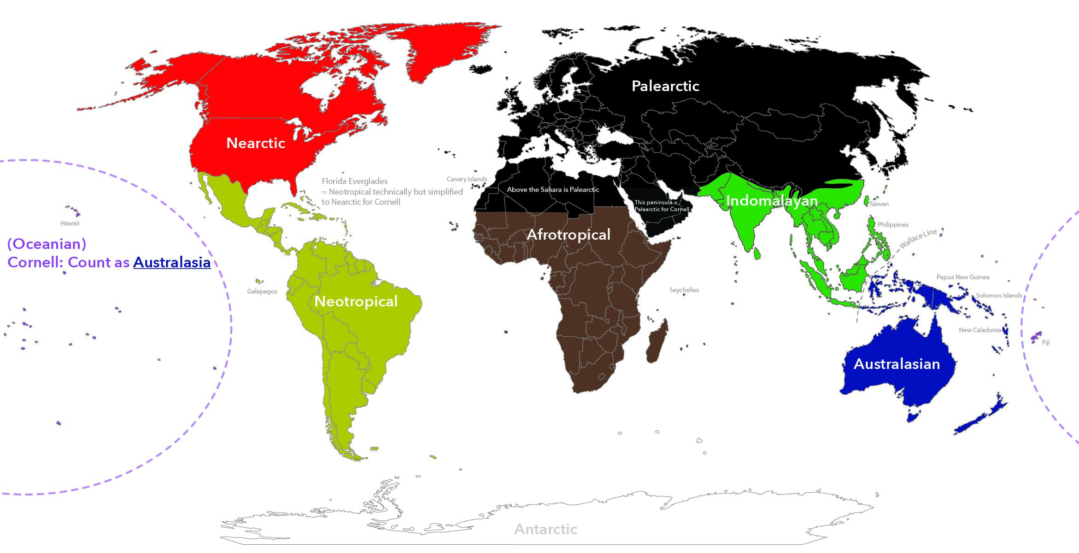

 |  |  |  |  |  | Biogeography Zones
 |  |  |  |  |  | *For Cornell's purposes, all of Mexico is Neotropical (the country itself is partially Nearctic and partially Neotropical)
 |  |  |  |  |  | *Note that most of China is Palearctic so check where you are databasing
 |  |  |  |  |  | *Oceania is grouped with Australasia for Cornell databasing

State Abbreviations
Alabama | AL | Kentucky | KY | Ohio | OH
Alaska | AK | Louisiana | LA | Oklahoma | OK
Arizona | AZ | Maine | ME | Oregon | OR
Arkansas | AR | Maryland | MD | Pennsylvania | PA
American Samoa | AS | Massachusetts | MA | Puerto Rico | PR
California | CA | Michigan | MI | Rhode Island | RI
Colorado | CO | Minnesota | MN | South Carolina | SC
Connecticut | CT | Mississippi | MS | South Dakota | SD
Delaware | DE | Missouri | MO | Tennessee | TN
District of Columbia | DC | Montana | MT | Texas | TX
Florida | FL | Nebraska | NE | Trust Territories | TT
Georgia | GA | Nevada | NV | Utah | UT
Guam | GU | New Hampshire | NH | Vermont | VT
Hawaii | HI | New Jersey | NJ | Virginia | VA
Idaho | ID | New Mexico | NM | Virgin Islands | VI
Illinois | IL | New York | NY | Washington | WA
Indiana | IN | North Carolina | NC | West Virginia | WV
Iowa | IA | North Dakota | ND | Wisconsin | WI
Kansas | KS | Northern Mariana Islands | MP | Wyoming | WY

